TestSummary
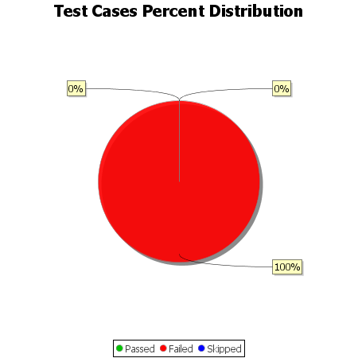
Total Test Cases | 9
Test Cases Passed | 0
Test Cases Failed | 9
Test Cases Skipped | 0

